16SWG
TOTAL STOCK | 42 |  | STOCK USED SO FAR |  | 36 |  | STOCK LEFT |  | 6

back box |  |  |  |  |  |  |  |  |  |  |  | STOCK USAGE
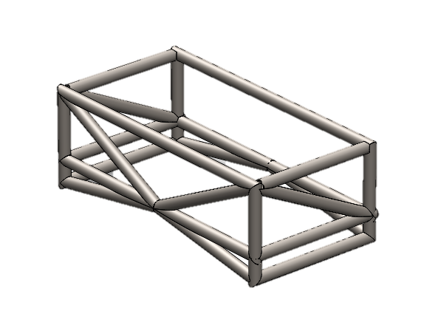
A
solidworks |  |  |  |  |  | self assesment |  |  |  |  | ITEM NO. | QTY. | LENGTH | Label | sub total
ITEM NO. | QTY. | LENGTH | sub total |  |  | ITEM NO. | QTY. | LENGTH | Label | sub total | 1 | 4 | 625 |  | 2500
1 | 2 | 282.32 | 564.64 |  |  | 1 | 4 | 625 | A | 2500 | 2 | 6 | 325 |  | 1950
2 | 4 | 175 | 700 |  |  | 2 | 6 | 325 | B | 1950 | 3 | 4 | 225 |  | 900
3 | 4 | 625 | 2500 |  |  | 3 | 4 | 225 |  | 900 | 4 | 4 | 305 |  | 1220
4 | 2 | 335.41 | 670.82 |  |  | 4 | 4 | 305 |  | 1220 | 5 | 4 | 336 |  | 1344
5 | 1 | 314.14 | 314.14 |  |  | 5 | 4 | 336 |  | 1344
6 | 1 | 335.41 | 335.41 |  |  |  |  |  |  |  |  |  |  | STOCK USED?
7 | 2 | 62.5 | 125 |  |  |  |  |  |  |  |  | START | 6000
8 | 2 | 325 | 650 |  |  |  |  |  |  |  |  | 1 | 3500
9 | 1 | 304.14 | 304.14 |  |  |  |  |  |  |  |  | 2 | 1550
10 | 1 | 304.14 | 304.14 |  |  |  |  |  |  |  |  | 3 | 650 | 1
11 | 1 | 304.14 | 304.14 |  |  | total |  |  |  | 7914 |  |  | 2XITEM 4
12 | 1 | 62.5 | 62.5 |  |  |  |  |  |  | 7.914
13 | 1 | 62.5 | 62.5
14 | 1 | 304.14 | 304.14
B
15 | 1 | 2.08 | 2.08 |  |  | stock used | 8
16 | 1 | 312.5 | 312.5 |  |  | % of stock | 19.0%
17 | 1 | 303.66 | 303.66

total | 7819.81

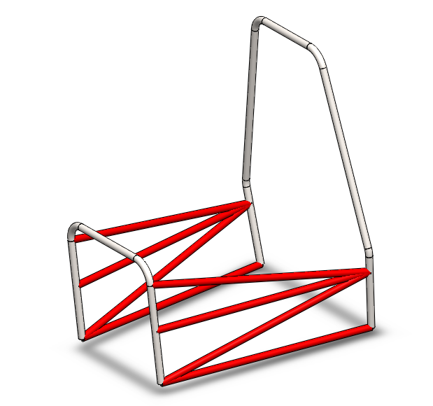
SIDE MEMBERS
SOLIDWORKS |  |  |  |  |  | self assesment
ITEM NO. | QTY. | DESCRIPTION | LENGTH | SUB TOTAL |  | ITEM NO. | QTY. | LENGTH | SUB TOTAL
1 | 2 |  | 829.55 | 1659.1 |  | 1 | 2 | 820 | 1640
2 | 2 |  | 810.45 | 1620.9 |  | 2 | 2 | 800 | 1600
3 | 2 |  | 806.61 | 1613.22 |  | 3 | 2 | 825 | 1650
4 | 2 |  | 834.29 | 1668.58 |  | 4 | 2 | 802 | 1604

 |  |  |  |  |  | TOAL | 6494
 |  |  |  |  |  |  | 6.494

 |  |  |  |  |  | stock used | 7
 |  |  |  |  |  | % of stock | 17%

TOTAL | 6561.8

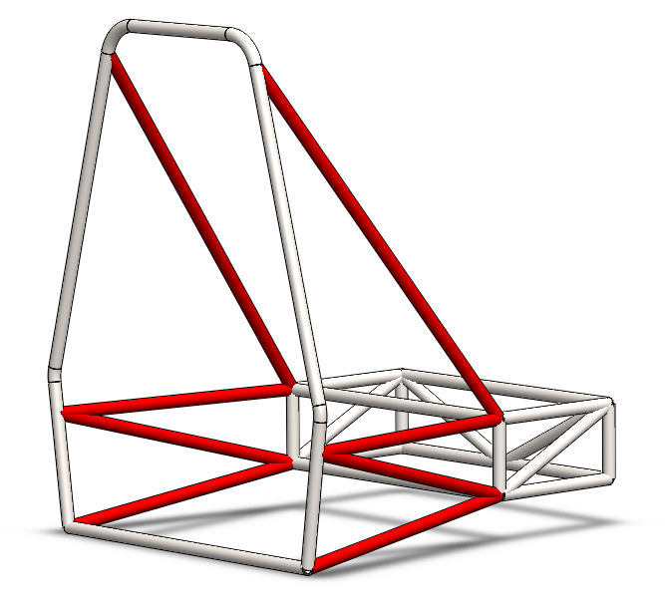
REAR TRUSS
SOLIDWORKS |  |  |  |  |  | self assesment
ITEM NO. | QTY. | DESCRIPTION | LENGTH | SUB TOTAL |  | ITEM NO. | QTY. | LENGTH | SUB TOTAL
1 | 2 |  | 909.73 | 1819.46 |  | 1 | 2 | 550 | 1100
2 | 2 |  | 555.75 | 1111.5 |  | 2 | 2 | 570 | 1140
3 | 2 |  | 575.13 | 1150.26 |  | 3 | 2 | 560 | 1120
4 | 2 |  | 557.34 | 1114.68 |  | 4 | 2 | 910 | 1820
5 | 1 |  | 700 | 700 |  | 5 | 1 | 700 | 700

TOTAL | 5895.9
 |  |  |  |  |  | TOTAL | 5880
 |  |  |  |  |  |  | 5.88

 |  |  |  |  |  | stock used | 6
 |  |  |  |  |  | % of stock | 14%

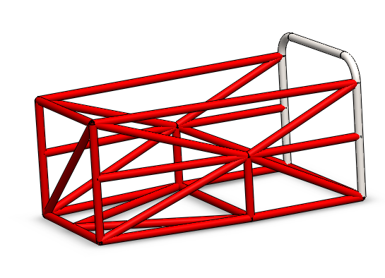
FRONT BULKHEAD
SOLIDWORKS |  |  |  |  |  | ROUNDED UP
ITEM NO. | QTY. | DESCRIPTION | LENGTH | SUB TOTAL |  | ITEM NO. | QTY. | DESCRIPTION | LENGTH | SUB TOTAL
1 | 2 |  | 901.39 | 1802.78 |  | 1 | 2 |  | 910 | 1820
2 | 2 |  | 436.61 | 873.22 |  | 2 | 2 |  | 440 | 880
3 | 2 |  | 500 | 1000 |  | 3 | 2 |  | 500 | 1000
4 | 2 |  | 532.09 | 1064.18 |  | 4 | 2 |  | 540 | 1080
5 | 4 |  | 502.49 | 2009.96 |  | 5 | 4 |  | 505 | 2020
6 | 2 |  | 540.83 | 1081.66 |  | 6 | 2 |  | 542 | 1084
7 | 2 |  | 375 | 750 |  | 7 | 2 |  | 375 | 750
8 | 2 |  | 559.02 | 1118.04 |  | 8 | 2 |  | 560 | 1120
9 | 6 |  | 400 | 2400 |  | 9 | 6 |  | 400 | 2400
10 | 1 |  | 548.29 | 548.29 |  | 10 | 1 |  | 550 | 550
11 | 2 |  | 200 | 400 |  | 11 | 2 |  | 200 | 400
12 | 2 |  | 447.21 | 894.42 |  | 12 | 2 |  | 550 | 1100

TOTAL | 13942.55 |  |  |  |  | TOTAL | 14204
 | 13.94255 |  |  |  |  |  | 14.204

 |  |  |  |  |  | stock used | 15
 |  |  |  |  |  | % of stock | 36%

SUB ASSEMBLY |  | LENGTH | NUMBER OF STOCK PIECES
FRONT BULKHEAD |  | 15 | 2.5
REAR TRUSS |  | 6 | 1
SIDE MEMBERS |  | 7 | 1.2
back box |  | 8 | 1.5
Total |  | 36 | 6.2 | TOTAL

TOTAL STOCK | TOTAL LENGTH
7 | 42

% SPARE | 14%

optimised cut list
Solution using 6 pieces of stock possible
Bin(sum=5912, items=[910, 910, 825, 825, 820, 820, 802])
Bin(sum=5977, items=[802, 800, 800, 700, 625, 625, 625, 625, 375])
Bin(sum=5992, items=[570, 570, 560, 560, 550, 550, 550, 550, 550, 542, 440])
Bin(sum=5882, items=[542, 540, 540, 505, 505, 505, 505, 500, 500, 440, 400, 400])
Bin(sum=5989, items=[400, 400, 400, 400, 375, 360, 360, 336, 336, 336, 336, 325, 325, 325, 325, 325, 325])
Bin(sum=2520, items=[305, 305, 305, 305, 225, 225, 225, 225, 200, 200])

